Overview
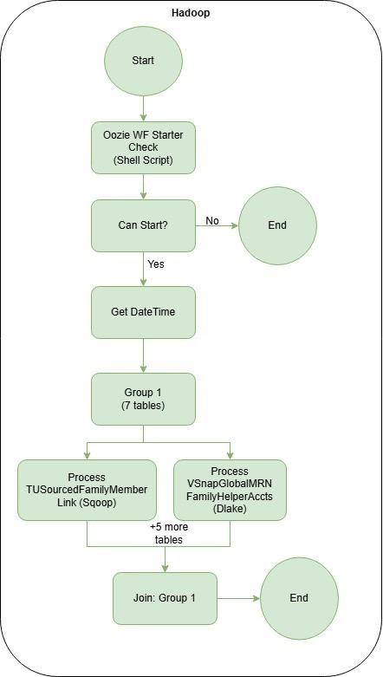
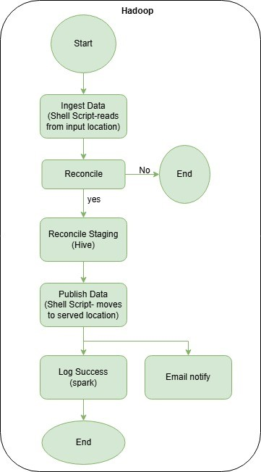
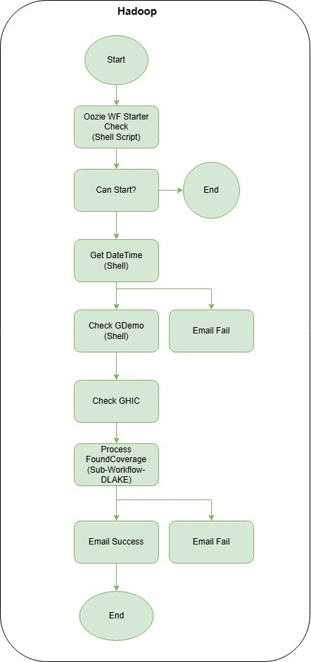
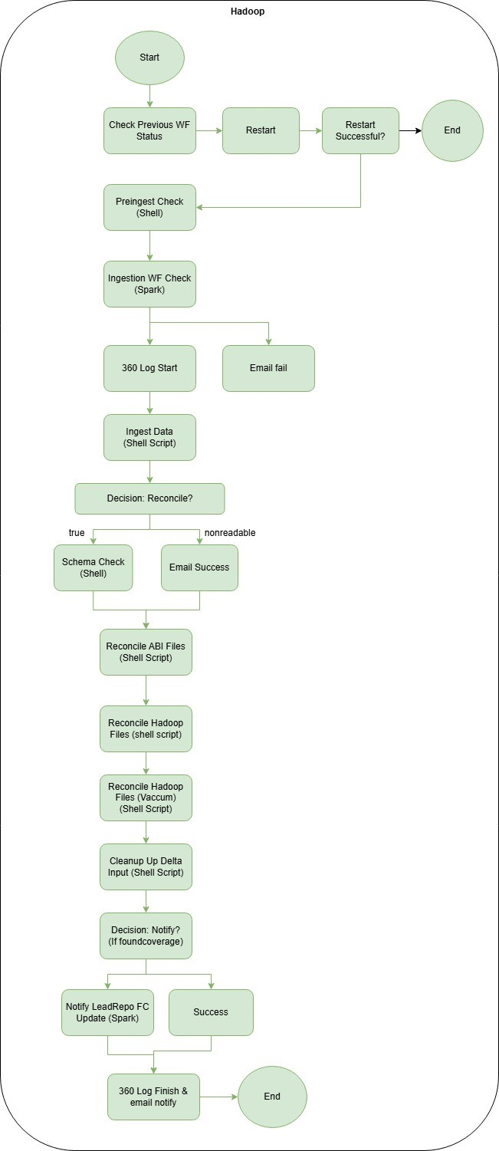

Stage | Hadoop Flow Description | Databricks Flow Description | Match Status | Notes/Comments
Initialization | Workflows start by setting breadcrumb dates and initializing logging. The ingest_all workflow orchestrates multiple table ingestion processes, while specialized workflows like foundcoverage, patientaccts, sdob_ingestion, and swift_ingest_all handle specific table groups. The ingest_table workflow handles generic table ingestion with Hive reconciliation, while ingest_table_DLAKE handles Delta Lake-based ingestion. | Both pipelines start by setting breadcrumb dates and initializing logging. pl_dataingestion_abi_group1 processes a fixed set of tables (patientaccts, foundcoverage, vsnappatientacctsflags, patientacctscodes, helperfoundcoverages, patientacctsaccesscoordinator) with hardcoded activities. pl_dataingestion_abi_group2 uses a Lookup activity to read a JSON configuration file listing tables to process, then iterates through them using a ForEach activity. | Similar | Databricks consolidates multiple Hadoop workflows into two pipelines. Group1 handles critical tables with hardcoded activities, while Group2 uses metadata-driven approach for flexibility.
Data Extraction | For Delta Lake workflows, the ingest_data.sh script validates incoming files, checks for .done markers, verifies record counts, and moves files to input directories. Files are expected in CTRL+A delimited format. For regular workflows, data extraction may involve Sqoop imports or direct file transfers. The system processes files from intermediate temporary paths and validates file readability before ingestion. | The dataingestion_extract notebook reads metadata for each table to determine extraction parameters. It checks if the table is sharded and calls process_shard_data for sharded tables or performs direct JDBC extraction for non-sharded tables. The notebook applies transformations (trim, null handling, boolean conversion) and writes to staging intermediate paths. It handles patientacctsaccesscoordinator specifically with additional logic. | Similar | Both systems extract data from SQL Server, but Databricks uses a unified extraction notebook with metadata-driven approach, while Hadoop uses separate shell scripts and workflows for different table types.
Data Transformation | During ingestion, data is read from CSV files with CTRL+A delimiter. The system applies schema validation, trims whitespace, handles null values and empty strings, converts boolean values to 1/0, and filters out hospitalpurge records when hospitalfk column exists. For Delta Lake workflows, data is converted to Parquet format after initial processing. | The extraction notebook applies similar transformations: trimming all columns, handling null/empty string values, converting booleans to 1/0, and filtering hospitalpurge records. Data is written as Parquet to staging paths. The reconcile_table_delta notebook further processes data by applying hospitalpurge filtering and IsDeleted handling. | Different | Transformation logic is consistent between both systems, with Databricks consolidating the logic into fewer, more maintainable notebooks. But in Databricks the common extraction/reconciliation notebooks explicitly check for a HospitalFK column and apply a HospitalFK‑based hospitalpurge filter whenever it exists, so purged hospitals are removed earlier in the Databricks flow.
Reconciliation | For Delta Lake workflows, reconciliation happens in three stages: 01_reconcile_table_delta.py reads CSV data, applies hospitalpurge filtering, converts to Parquet, adds IsDeleted column if missing, and performs ROW_NUMBER deduplication based on primary key and reconcile key. 02_reconcile_table_delta.py reads reconciled Parquet, separates IsDeleted=1 and IsDeleted=0 records, and performs Delta merge (delete then upsert). 03_reconcile_table_delta.py handles hospitalpurge filtering on existing published data and performs vacuum operations. For regular workflows, generic_reconcile.sql uses Hive to perform ROW_NUMBER deduplication and creates staging tables. | The reconcile_table_delta notebook performs a single-stage reconciliation: reads Parquet data from staging input, applies hospitalpurge filtering, adds IsDeleted if missing, performs ROW_NUMBER deduplication based on primary and reconcile keys, separates IsDeleted records, and performs Delta merge (whenMatchedDelete for deletes, whenMatchedUpdateAll/whenNotMatchedInsertAll for upserts). For base loads, it overwrites the Delta table. The notebook also handles specific logic for patientaccts and foundcoverage to trigger notifications. | Similar | Databricks consolidates the three-stage Hadoop reconciliation into a single notebook, improving maintainability while preserving the same logical steps.
Publishing | For Delta Lake workflows, publishing happens through Delta merge operations in 02_reconcile_table_delta.py, which writes to /CDD/publish/escan/data/{tablename}/current/20991231/. For regular workflows, publish_data.sh moves data from staging to published locations. The system maintains current and prev directory structures for data versioning. | Publishing is integrated into the reconcile_table_delta notebook through Delta merge operations, writing to /data/dataingestion/publish/{tablename}/current/20991231/. The notebook handles both base loads (overwrite) and delta loads (merge). Databricks leverages Delta Lake's built-in ACID transactions for reliable publishing. | Similar | Both systems publish to similar directory structures, with Databricks leveraging Delta Lake's native merge capabilities for better performance and reliability.
Notification & Logging | Workflows log status to MapR DB for tracking. The patientaccts workflow includes notification steps for globalmrnmerged, globalmrnmerged_swift, medicarecoveragediscovery, and ghic. The swift_ingest_all workflow also includes similar notification steps. Logging includes workflow status, breadcrumb dates, and error tracking. | Pipelines include 360_logger activities for logging to Cosmos DB operations_log_360. Notification updates are logged to Cosmos DB for tracking workflow status. The reconcile_table_delta notebook includes specific notification trigger logic for patientaccts and foundcoverage tables. | Similar | Both systems provide logging and notification capabilities, with Databricks using Cosmos DB instead of MapR DB for modern cloud-native logging.
Error Handling & Cleanup | Workflows include checks for previous workflow status and restart capabilities for failed workflows. The ingest_data.sh script validates file readability and record counts, moving bad files to separate directories. After successful processing, input data is cleaned up. The system includes pre-ingestion checks and schema validation. | Pipelines include retry logic (retry: 2 for extract, retry: 1 for reconcile) with configurable retry intervals. The extraction notebook includes error handling for empty dataframes and shard connection failures. Data cleanup happens automatically through Delta Lake's transaction management. | Similar | Both systems include comprehensive error handling, with Databricks providing more configurable retry policies and automatic cleanup through Delta Lake.
Workflow Orchestration | The ingest_all workflow orchestrates multiple table ingestion using sub-workflows (delta_lake_workflow.xml). Specialized workflows handle specific table groups. The ingest_table workflow uses generic_reconcile.sql for Hive-based reconciliation, while ingest_table_DLAKE uses three-stage Delta Lake reconciliation. Workflows can run in parallel using Oozie fork actions. | pl_dataingestion_abi_group1 uses hardcoded activities for each table (extract followed by reconcile). pl_dataingestion_abi_group2 uses a Lookup activity to read table configuration from JSON, then uses ForEach to iterate through tables with batch processing (batchCount: 9). Both pipelines can process multiple tables, with Group2 providing more flexibility through metadata-driven approach. | Similar | Databricks provides more flexible orchestration through metadata-driven processing in Group2, while Group1 maintains explicit control for critical tables.

